forest set asides
Aboveground Carbon in Gongju and Sejong
 | 3729287.7 | ton C
 | 3630304.9 | ton C
 | 3536909.6 | ton C
 | 3719046 | ton C

 | 3653887.05 | ton C

2015 Forest Acreage of Gongju and Sejong
Total | 6334615 | ha
Gongju | 60530 | ha
Sejong | 25288 | ha

Forest Set-Asides
Aboveground Carbon
3653887.05 | tons C

Forest Acreage
85818 | ha

Carbon to Carbon Dioxide
44 | Molecular weight of CO2
12 | Molecular weight of C
3.667 | Ratio of CO2 to C

Live Aboveground Carbon per Forest acre
17.23 | tons C/acre
1.72E+07 | g C/acre
6.32E+07 | g CO2/acre

Felling Cycle Length
42.410071727 | years

Avoided CO2 release per Year
1.49E+06 | g CO2 / acre / yr

Notes
Felling Cycle Length의 경우, 나무마다 벌채 주기가 다르다.
관련하여 수종별 조림실적 자료를 보면, 대부분 소나무, 낙엽송, 편백, 기타활엽수로 구성되어 있으며
이를 바탕으로 수종별, 산림 소유별 고려하여 Felling Cycle Length를 선정했다.
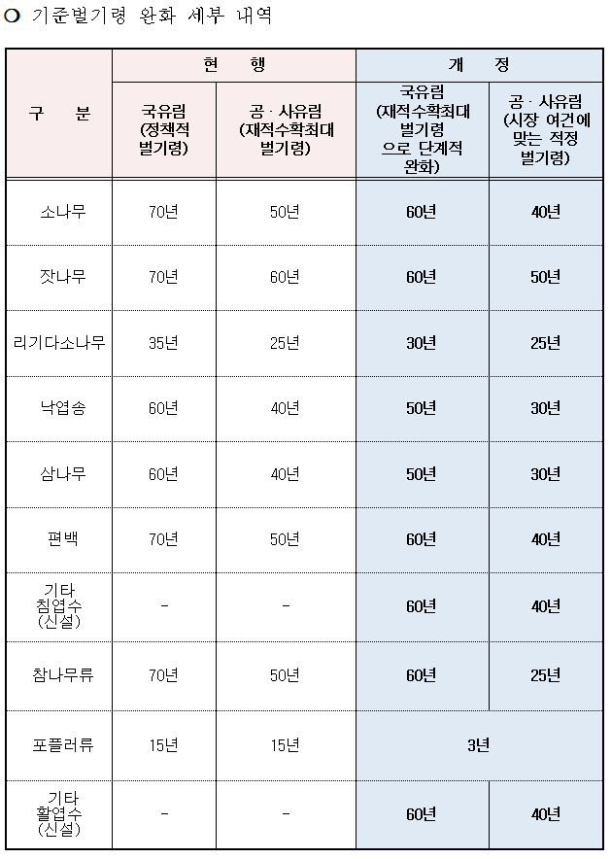
 |  |  |  |  | 개정 벌기령
 |  |  |  | 본수 | 국유림 | 공,사유림
 |  |  | 소나무 | 8837 | 60 | 40
 |  |  | 낙엽송 | 11221 | 50 | 30
 |  |  | 편백 | 10856 | 60 | 40
 |  |  | 기타활엽수 | 10493 | 60 | 40
 |  |  |  |  | 0.256 | 0.744
 |  |  |  |  | 57.290071727 | 37.290071727
 |  |  |  |  |  | 42.410071727

출처 | https://www.korea.kr/news/policyBriefingView.do?newsId=148784657

